Data w-Python
Education | Income | Rand | Ed Level | Mean | Std Dev
Masters Grad | $165,134 | 0.75887056293 | Masters Grad | 130,000 | 50,000
College Grad | $102,928 | 0.62672592228 | College Grad | 90,000 | 40,000
HS Grad | $153,977 | 0.96242381832 | HS Grad | 65,000 | 50,000
Masters Grad | $140,916 | 0.58641130066
College Grad | $95,033 | 0.55006082532
HS Grad | $140,460 | 0.93437624591
Masters Grad | $0 | 0.0037350591341
College Grad | $65,933 | 0.27369562829
HS Grad | $121,553 | 0.87098388319
Masters Grad | $187,078 | 0.87318315466
College Grad | $51,942 | 0.17068890728
HS Grad | $61,441 | 0.4716234179
Masters Grad | $125,195 | 0.46172263321
College Grad | $54,370 | 0.18653001263
HS Grad | $27,969 | 0.2294634814
Masters Grad | $72,034 | 0.1231629853
College Grad | $75,478 | 0.35828494849
HS Grad | $168,743 | 0.98100050214
Masters Grad | $126,548 | 0.47247946362
College Grad | $139,678 | 0.89287157291 |  |  |  | 0
HS Grad | $22,786 | 0.19925909239
Masters Grad | $183,237 | 0.85650327187
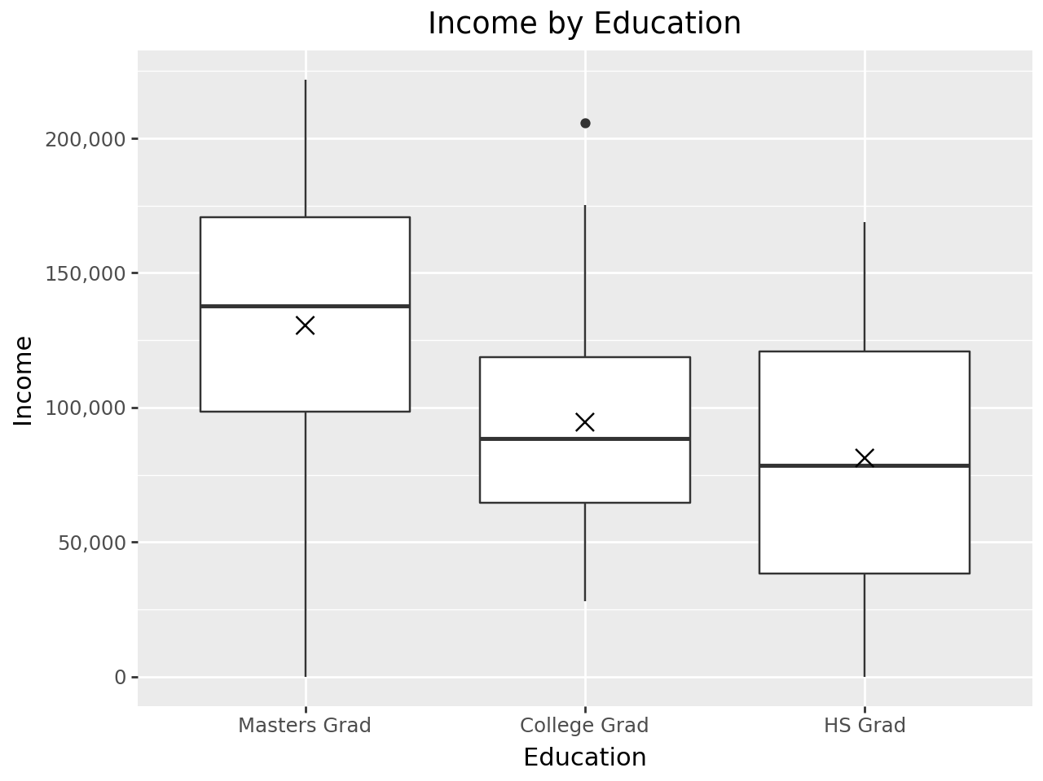
College Grad | $175,136 | 0.9833482549
HS Grad | $58,531 | 0.44853128274
Masters Grad | $76,237 | 0.14112803099
College Grad | $145,653 | 0.91793772333
HS Grad | $83,910 | 0.64735645213
Masters Grad | $157,296 | 0.70744170439
College Grad | $74,893 | 0.35283749459
HS Grad | $122,271 | 0.87398427399
Masters Grad | $97,442 | 0.25746894662
College Grad | $118,153 | 0.75923159526
HS Grad | $76,376 | 0.58999279698
Masters Grad | $65,668 | 0.099111479033
College Grad | $84,053 | 0.44090414102
HS Grad | $144,669 | 0.9444636057
Masters Grad | $119,154 | 0.41413484731
College Grad | $148,167 | 0.9270505464
HS Grad | $12,687 | 0.14772234277
Masters Grad | $177,360 | 0.82823358135
College Grad | $130,072 | 0.84177802092
HS Grad | $0 | 0.090228580147
Masters Grad | $221,723 | 0.96670769604
College Grad | $64,112 | 0.25874748116
HS Grad | $59,336 | 0.45490779684
Masters Grad | $104,705 | 0.3064632434
College Grad | $95,575 | 0.55542495447
HS Grad | $141,401 | 0.93674560165
Masters Grad | $184,198 | 0.86080956871
College Grad | $118,924 | 0.76519060894
HS Grad | $80,494 | 0.62167730557
Masters Grad | $101,881 | 0.28692696144
College Grad | $39,608 | 0.10387079269
HS Grad | $76,496 | 0.59092359158
Masters Grad | $140,931 | 0.58652467706
College Grad | $87,357 | 0.47365498068
HS Grad | $68,394 | 0.52706118292
Masters Grad | $74,144 | 0.13197194115
College Grad | $103,956 | 0.63641761062
HS Grad | $68,960 | 0.53155971785
Masters Grad | $141,052 | 0.58747316506
College Grad | $78,514 | 0.38700254681
HS Grad | $38,337 | 0.29692857896
Masters Grad | $164,467 | 0.75469637722
College Grad | $158,010 | 0.95545770409
HS Grad | $38,431 | 0.29757545705
Masters Grad | $30,679 | 0.023493395872
College Grad | $55,212 | 0.19223101125
HS Grad | $24,681 | 0.21001104402
Masters Grad | $147,119 | 0.63396661568
College Grad | $102,075 | 0.61863106342
HS Grad | $27,076 | 0.22408177545
Masters Grad | $134,868 | 0.53877826487
College Grad | $77,351 | 0.37591687757
HS Grad | $98,668 | 0.74963868144
Masters Grad | $172,550 | 0.80261727713
College Grad | $27,848 | 0.060115626838
HS Grad | $106,420 | 0.79627602428
Masters Grad | $53,057 | 0.061918771502
College Grad | $205,683 | 0.99808646301
HS Grad | $124,528 | 0.88308872008
Masters Grad | $165,435 | 0.76074403649
College Grad | $89,623 | 0.49623636557
HS Grad | $118,198 | 0.85632449552
Masters Grad | $103,279 | 0.29652395047
College Grad | $58,675 | 0.21677783359
HS Grad | $83,574 | 0.64485957662
Masters Grad | $207,483 | 0.93938847925
College Grad | $129,944 | 0.84100532691
HS Grad | $27,665 | 0.22761953965
Masters Grad | $83,743 | 0.17744516874
College Grad | $50,914 | 0.16424825847
HS Grad | $148,395 | 0.95233303244
Masters Grad | $173,411 | 0.80736265196
College Grad | $96,470 | 0.56425247554
HS Grad | $89,088 | 0.68501337743
Masters Grad | $126,652 | 0.47330743108
College Grad | $31,887 | 0.073137157568
HS Grad | $34,239 | 0.26920430498
Masters Grad | $212,138 | 0.94978292017
College Grad | $80,886 | 0.40987771323
HS Grad | $111,044 | 0.82144603204

